ATS
CKUW F26 OFF PRICE ATS
 |  |  |  |  |  |  |  |  |  |  |  |  |  | 3,070
DELIVERY | CAD | STYLE | GROUP | DESCRIP | FABRIC CONTENT | NRF | COLOR NAME | BULK | XS | S | M | L | XL | TTL QTY | CST | MSRP
8/15 | 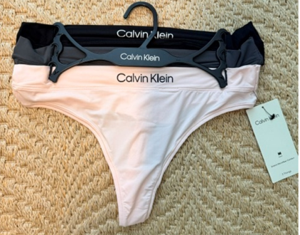 | QP3207O | STRETCH MICROFIBER COMFORT | THONG 3 PACK | 81% Nylon, 19% Elastane | 002 | Black/Ashford Grey/Nymph's Thigh |  | 31 | 61 | 51 | 100 | - | 243 | $20.16 | $42.00
8/15 | 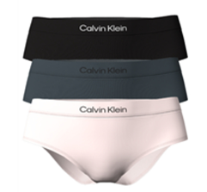 | QP3208O | STRETCH MICROFIBER COMFORT | HIPSTER 3 PACK | 81% Nylon, 19% Elastane | 002 | Black/Ashford Grey/Nymph's Thigh |  | 15 | - | - | 19 | 28 | 62 | $20.16 | $42.00
8/15 | 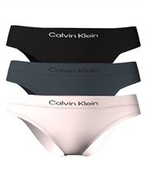 | QP3206O | STRETCH MICROFIBER COMFORT | BIKINI 3PK | 81% Nylon, 19% Elastane | 002 | Black/Ashford Grey/Nymph's Thigh |  |  | 100 | 100 | 100 |  | 300 | $20.16 | $42.00
8/15 | 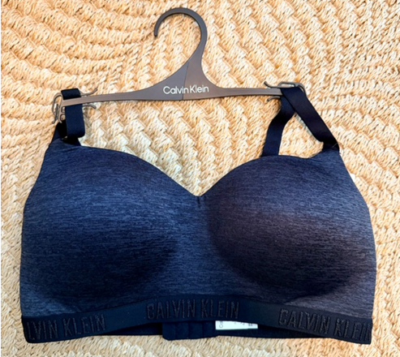 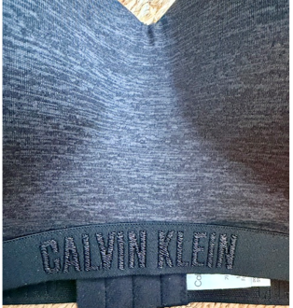 | QP3632O | MONOCHROME MICRO | LL WIREFREE BRA | 95% POLYESTER/ 5% ELASTANE | 001 | BLACK |  | 99 | 198 | 197 | 97 |  | 591 | $22.08 | $46.00
8/3 | 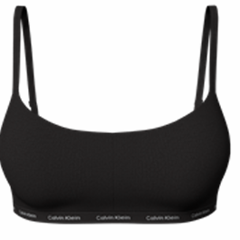 | QP3301O | LUXE | LL WIREFREE BRA | 72% Nylon - Conventional, 28% Elastane | 001 | BLACK |  | 94 | 168 | 147 | 42 |  | 451 | $22.08 | $46.00
8/3 | 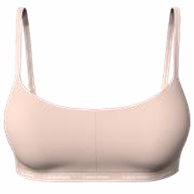 | QP3301O | LUXE | LL WIREFREE BRA | 72% Nylon - Conventional, 28% Elastane | 200 | Cedar |  | 129 | 268 | 267 | 215 |  | 879 | $22.08 | $46.00
8/3 | 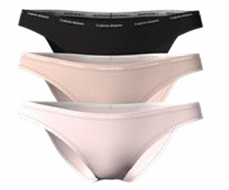 | QP3305O | LUXE | BIKINI 3 PCK | 72% Nylon - Conventional, 28% Elastane | 900 | BLK/CEDAR/NYMPHS THIGH |  | 544 | - | - | - |  | 544 | $20.16 | $42.00
 | 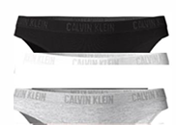 | QP1999O | MONOCHROME | CHEEKY BIKINI 3PK | 95% COTTON/ 5% ELASTANE | 933 | Black/ White/ Grey Heather |  |  | 100 | 100 | 100 |  | 300 | $20.16 | $42.00
 | 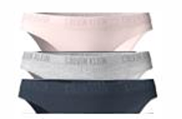 | QP1999O | MONOCHROME | CHEEKY BIKINI 3PK | 95% COTTON/ 5% ELASTANE | 403 | Nymphs Thigh/ Grey Heather/ Speakeasy |  |  | 200 | 200 | 191 |  | 591 | $20.16 | $42.00
 |  |  |  |  |  |  |  |  |  |  |  |  |  | -
 |  |  |  |  |  |  |  |  |  |  |  |  |  | -
 |  |  |  |  |  |  |  |  |  |  |  |  |  | -
 |  |  |  |  |  |  |  |  |  |  |  |  |  | -
 |  |  |  |  |  |  |  |  |  |  |  |  |  | -
 |  |  |  |  |  |  |  |  |  |  |  |  |  | -
 |  |  |  |  |  |  |  |  |  |  |  |  |  | -
 |  |  |  |  |  |  |  |  |  |  |  |  |  | -
 |  |  |  |  |  |  |  |  |  |  |  |  |  | -
 |  |  |  |  |  |  |  |  |  |  |  |  |  | -
 |  |  |  |  |  |  |  |  |  |  |  |  |  | -
 |  |  |  |  |  |  |  |  |  |  |  |  |  | -
 |  |  |  |  |  |  |  |  |  |  |  |  |  | -
 |  |  |  |  |  |  |  |  |  |  |  |  |  | -
 |  |  |  |  |  |  |  |  |  |  |  |  |  | -
 |  |  |  |  |  |  |  |  |  |  |  |  |  | -
 |  |  |  |  |  |  |  |  |  |  |  |  |  | -
 |  |  |  |  |  |  |  |  |  |  |  |  |  | -
 |  |  |  |  |  |  |  |  |  |  |  |  |  | -
 |  |  |  |  |  |  |  |  |  |  |  |  |  | -
 |  |  |  |  |  |  |  |  |  |  |  |  |  | -
 |  |  |  |  |  |  |  |  |  |  |  |  |  | -
 |  |  |  |  |  |  |  |  |  |  |  |  |  | -
 |  |  |  |  |  |  |  |  |  |  |  |  |  | -
 |  |  |  |  |  |  |  |  |  |  |  |  |  | -
 |  |  |  |  |  |  |  |  |  |  |  |  |  | -
 |  |  |  |  |  |  |  |  |  |  |  |  |  | -
 |  |  |  |  |  |  |  |  |  |  |  |  |  | -
 |  |  |  |  |  |  |  |  |  |  |  |  |  | -
 |  |  |  |  |  |  |  |  |  |  |  |  |  | -
 |  |  |  |  |  |  |  |  |  |  |  |  |  | -
 |  |  |  |  |  |  |  |  |  |  |  |  |  | -
 |  |  |  |  |  |  |  |  |  |  |  |  |  | -
 |  |  |  |  |  |  |  |  |  |  |  |  |  | -
 |  |  |  |  |  |  |  |  |  |  |  |  |  | -
 |  |  |  |  |  |  |  |  |  |  |  |  |  | -
 |  |  |  |  |  |  |  |  |  |  |  |  |  | -
 |  |  |  |  |  |  |  |  |  |  |  |  |  | -
 |  |  |  |  |  |  |  |  |  |  |  |  |  | -
 |  |  |  |  |  |  |  |  |  |  |  |  |  | -
 |  |  |  |  |  |  |  |  |  |  |  |  |  | -
 |  |  |  |  |  |  |  |  |  |  |  |  |  | -
 |  |  |  |  |  |  |  |  |  |  |  |  |  | -
 |  |  |  |  |  |  |  |  |  |  |  |  |  | -
 |  |  |  |  |  |  |  |  |  |  |  |  |  | -
 |  |  |  |  |  |  |  |  |  |  |  |  |  | -
 |  |  |  |  |  |  |  |  |  |  |  |  |  | -
 |  |  |  |  |  |  |  |  |  |  |  |  |  | -
 |  |  |  |  |  |  |  |  |  |  |  |  |  | -
 |  |  |  |  |  |  |  |  |  |  |  |  |  | -
 |  |  |  |  |  |  |  |  |  |  |  |  |  | -
 |  |  |  |  |  |  |  |  |  |  |  |  |  | -
 |  |  |  |  |  |  |  |  |  |  |  |  |  | -
 |  |  |  |  |  |  |  |  |  |  |  |  |  | -
 |  |  |  |  |  |  |  |  |  |  |  |  |  | -
 |  |  |  |  |  |  |  |  |  |  |  |  |  | -
 |  |  |  |  |  |  |  |  |  |  |  |  |  | -
 |  |  |  |  |  |  |  |  |  |  |  |  |  | -
 |  |  |  |  |  |  |  |  |  |  |  |  |  | -
 |  |  |  |  |  |  |  |  |  |  |  |  |  | -
 |  |  |  |  |  |  |  |  |  |  |  |  |  | -
 |  |  |  |  |  |  |  |  |  |  |  |  |  | -
 |  |  |  |  |  |  |  |  |  |  |  |  |  | -
 |  |  |  |  |  |  |  |  |  |  |  |  |  | -
 |  |  |  |  |  |  |  |  |  |  |  |  |  | -
 |  |  |  |  |  |  |  |  |  |  |  |  |  | -
 |  |  |  |  |  |  |  |  |  |  |  |  |  | -

